Sheet1
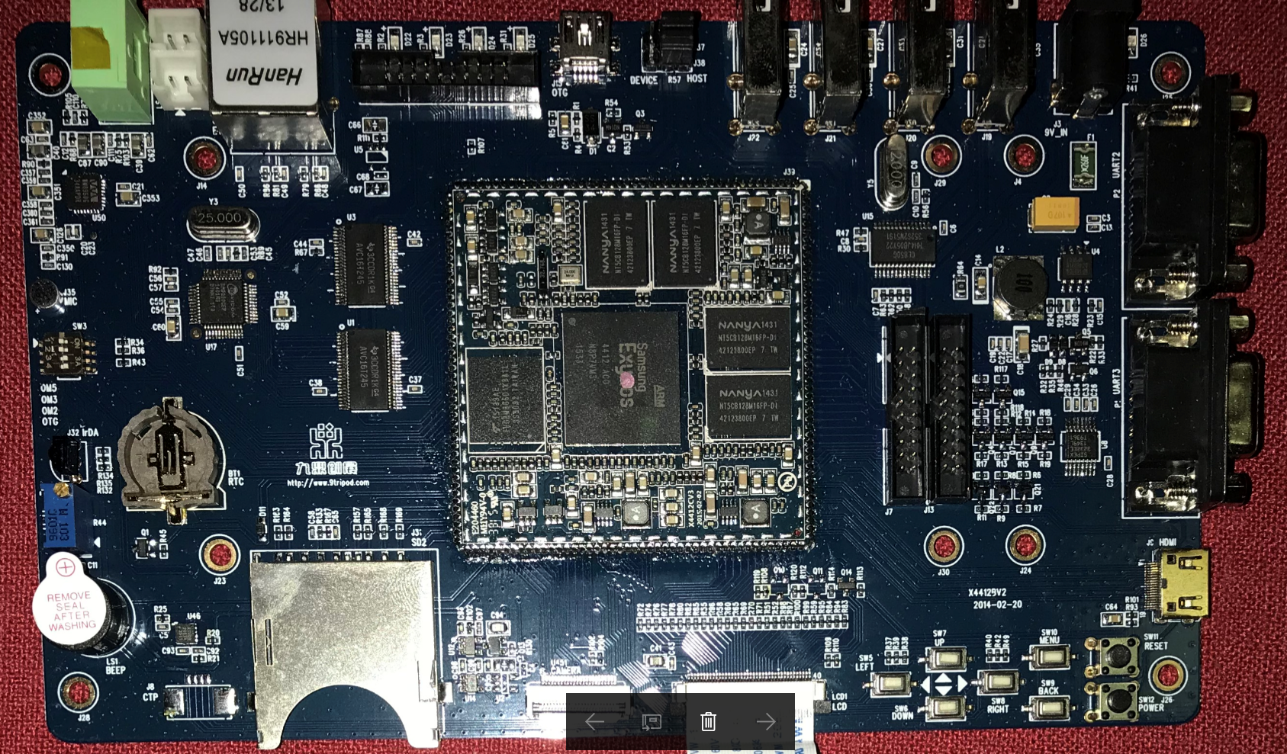
核心板IC
CPU | Exynos 4412 | Samsung | Cortex-A9, Quad Core | 1 | 400MHz | Samsung Galaxy Note 10.1, Samsung Galaxy Camera, Lenovo K860, 纽曼N2, Ramos W30HD, Meizu MX 四核版, Hardkernel ODROID-X,[18] ODROID-U,[19] ODROID-Q,[20] ORIGEN 4 Quad,[9] Hyundai T7 Tablet, Samsung Galaxy Pop, Samsung Galaxy Light, Lenovo P700i
DDR | NT5CB128M16FP-D1 | NANYA | DDR3, 2Gb, 128Mx16, 800MHz, BGA96 | 4 | 1GB
eMMC | THGBMBG6D1KBAIL | Toshiba | MLC NAND Flash, Serial e-MMC, 3.3V, 64G-bit, 153-Pin FBGA | 1 | 8GB
 |  |  |  |  |  |  | Samsung Galaxy Note 10.1, | Samsung Galaxy Camera
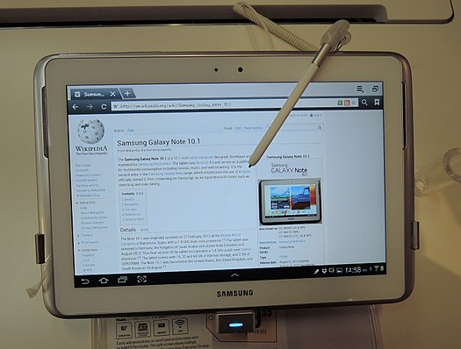
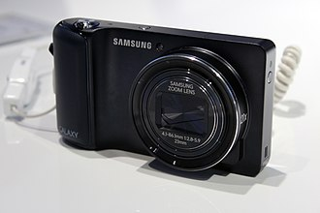
底板IC
USB 2.0 Hub | GL850G HH4JB05Y22 | Genesys Logic
Ethrenet | DM9000 | DAVICOM
Audio CODEC | WM8960G | Wolfson
Touchscreen | GSL1680 | Silead Inc.

开发板全貌

